1. Title Page
Basket Analysis

Project Name: Instacart Basket Analysis
Date: 17/5/23
Analyst Name: Jacy Marmaduke

Contents:
Population Flow
Consistency checks
Wrangling steps
Column derivations
Visualizations
Recommendations
References

Citation: “The Instacart Online Grocery Shopping Dataset 2017”, Accessed from www.instacart.com/datasets/grocery-shopping-2017 via Kaggle on 17/5/23.
Note: Customer data was fabricated for the purpose of Career Foundry's Data Analytics course.

2. Population Flow
Title page

Population flow

Exclusion flag
Condition: max_order <
Obervations to be removed:
Final total count of order_products_all: 32,404,859

Orders_products_combined
Orders_products_merged
Orders_products_all

Total: 32,404,859
Total: 32,434,489
Total: 32,404,859

1.) The grey boxes in the first row of the population flow represent the original data sets as they were when you downloaded them. In the Total fields you need to add the count of the rows when you imported the data set into Jupyter.
2.) The second row of boxes (coloured) represents the data sets after you manipulated them, e.g., removed missing values and duplicates. In the Total fields you need to add the count of the rows after conducting these operations. This offers a visual oveview of how the data flows throughout the data consistency checks.
3.) The third row, where also the arrows are coloured, represents the merges you performed between the datasets. In the Total fields you need to add the count of the rows in the merged datasets, so that you end up with the final dataset (in the red box). Keep in mind the final dataset should be without exclusions (based on the exclusion flag).

3. Consistency checks
 |  |  |  | Title page
Consistency checks

Dataset | Missing values | Missing values treatment | Duplicates
orders | 206,209 in days_since_prior_order | Created two separate dataframes for new and returning customers, May add flag variable. | None
products | 16 in product_name | Removed | 5
orders_products_prior | None | n/a | None
customers | None | n/a | None
orders_products_merged_expanded | 206,209 in days_since_prior_order | Viewed data in a crosstab in Excel to assess missing data -- n/a's were concentrated in 1st orders, suggesting days_since_prior_order is missing for first orders

4. Wrangling steps
 |  |  |  |  | Title page
Wrangling steps

Dataset | Columns dropped | Columns renamed | Columns' type changed | Comment/Reason
Orders | df_orders['eval_set'] |  |  | Column only had one value and was irrelevant to project
 |  | df_orders['order_dow' : 'order_day_of_week'] |  | Changed for clarity
 |  |  | df_orders['order_id'] = df_orders['order_id'].astype('str') | Analysis is unnecessary because the variable is simply a unique identifier
 |  |  | df_orders['user_id'] = df_orders['user_id'].astype('str') | ""
Customers | df_customers.drop(columns = ['first_name', 'last_name']) |  |  | Columns dropped for privacy reasons. User ID serves as unique identifier
 |  | df_customers.rename(columns = {'First Name' : 'first_name' , 'Surnam' : 'last_name' , 'Gender' : 'gender' , 'STATE' : 'state' , 'Age' : 'age'}, inplace = True) |  | Columns renamed for clarity and conistency in underscoring and case
 |  |  | df_customers_anon['user_id'] = df_customers_anon['user_id'].astype('str') | Analysis is unnecessary because the variable is simply a unique identifier
Merged and grouped orders and products |  |  | for column in df: if df[column].dtype == 'float64': df[column]=pd.to_numeric(df[column], downcast='float') if df[column].dtype == 'int64': df[column]=pd.to_numeric(df[column], downcast='integer') | Downscaled data to reduce memory usage
 | df = df.drop(columns = 'busiest_day') |  |  | ""
 |  |  | df['user_id'] = df['user_id'].astype('str') | ""
 |  |  | df['order_id'] = df['order_id'].astype('str') | ""
Merged customer and orders data with regions | df = df.drop(columns = ['reordered', 'aisle_id', 'price_range_loc', 'busiest_days']) (Note: Columns still available in orders_products_merged data.) |  |  | Downscaled data to reduce memory usage for orders_customer_profiles export.

5. Column derivations
 |  |  |  |  |  | Title page

Column derivations and aggregations

In this tab you should add tables below that the frequences of flags/label variables that you produced after deriving them. NB: don't do this for continuous variables, only for flags.
Dataset | New column | Column/s it was derived from | Conditions
orders_products_merged_expanded | price_range_loc | prices | <= 5: Low-range product; > 5 and <= 15: Mid-range product; >15: High-range product
 | busiest_day | order_day_of_week | 0 = Busiest day, 4 = Least busy, all else = Regularly busy
 | busiest_days | order_day_of_week | 0 or 1 = Busy day, 3 or 4 = Slow day, all else = Regular day
 | busiest_period_of_day | order_hour_of_day | >= 9 and <= 16: Most orders; >= 0 and <= 6: Fewest orders; all else: Average orders
orders_products_merged_grouped | max_order | order_number, user_id | Calculate max order number for each user id
 | loyalty_flag | max_order | max_order > 40: Loyal customer; <= 40 & >10: Regular customer; <= 10: New customer
 | avg_price | prices, user_id | Calculate avg item price for each user id
 | spending_flag | avg_price | avg_price <10: Low spender; >=10: High spender
 | order_frequency | user_id, days_since_prior_order | Calculate median days_since_prior_order for each user_id
 | frequency_flag | order_frequency | order_frequency > 20: Non-frequent customer; > 10 & <= 20: Regular customer, <=10: Frequent customer
orders_customers_regions | region | state | User IDs classified into West, Midwest, South, Northeast
orders_customer_profiles | demo_profile | age, n_dependants, income, avg_price | Age <=35 & n_dependants > 0: Young parent; Age <=35 & n_dependants = 0: Young independent; Age <=45, income > 75000 & n_dependants = 0: Established; Age >= 55, income > 50000) & (df['avg_price'] <= 8), 'demo_profile'] = 'Budgeter'
orders_time_profiles | hour_mean | user_id, order_hour_of_day | Calculate mean order hour of day for each user ID
 | time_flag | hour_mean | Hour mean between 6 and 12: Morning shopper, Hour mean between noon and 5 p.m.: Afternoon shopper; Hour mean between 5 p.m. and midnight: Evening shopper; Hour mean between midnight and 6 a.m.: Overnight shopper

Frequencies

price_range_loc | products | loyalty_flag | products | users | demo_profile | users
Mid-range product | 21860860 | loyal | 10284093 | 1707 | Budgeter | 15889
Low-range product | 10131448 | new | 6243990 | 112328 | Established | 23292
High-range product | 412551 | regular | 15876776 | 76864 | Young independent | 14550
 |  |  |  | Young parent | 43478
 |  |  |  | NaN | 109000
busiest_day |  | spending_flag | users
Regularly busy | 22416875 | Low spender | 202822
Busiest day | 6204182 | High spender | 3387
Least busy | 3783802
 |  |  |  | time_profile | users
 |  |  |  | Afternoon shopper | 145514
busiest_days |  | frequency_flag | users | Evening shopper | 12480
Regular day | 12916111 | Frequent customer | 86596 | Morning shopper | 47867
Busy day | 11864412 | Non-frequent customer | 59619 | Overnight shopper | 348
Slow day | 7624336 | Regular customer | 59993

busiest_period_of_day |  | region | users
Most orders | 21118071 | Midwest | 48519
Average orders | 10399967 | Northeast | 36388
Fewest orders | 886821 | South | 68737
 |  | West | 52565

6. Visualizations
 | Title page

Visualisations

In this tab you should include all the visualtions from Exercises 4.9 and 4.10, alongside the questions from the project brief that they answer. Include any commentary on the relationship between different variables.



Q: What are the busiest days of the week for shopping?
A: Items ordered peak on Saturday and Sunday, and decline through mid-week before increasing again.



Q: What are the busiest hours of the day for shopping?
A: Items ordered peak from 9-10 a.m. and remain high until 4 p.m., before decreasing through the evenining and reaching a low about 3 a.m.

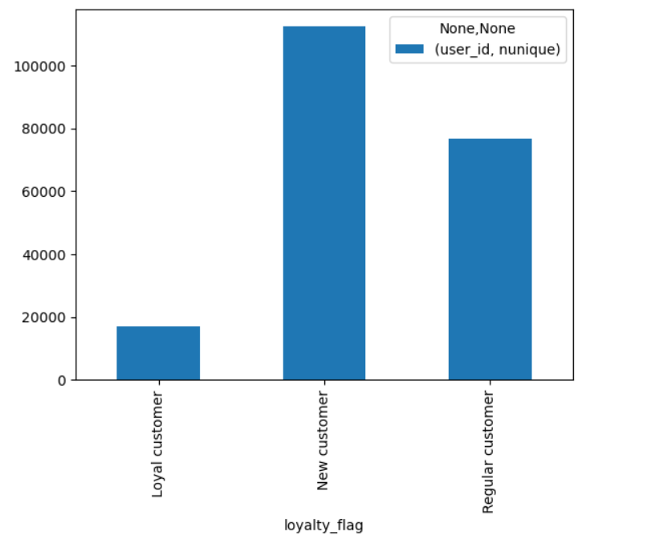
Q: What's the loyalty breakdown of the customer base?
A: Most customers are new customers, with up to 10 orders, followed by regular customers with more than 10 and up to 40 orders. A minorty are loyal customers with over 40 orders.

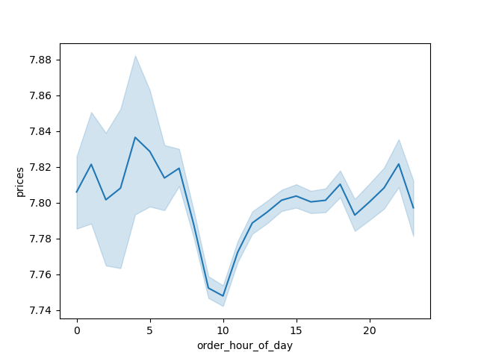

Q: Do people spend more money at certain times of day?
A: Average prices are highest in the early morning hours, peaking at 4 a.m., and the late evening after 8 p.m.

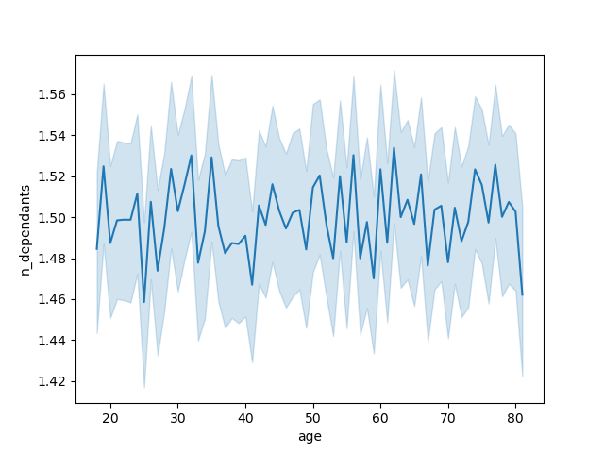

Q: Is there a connection between age and number of dependants?
A: There is no clear connection between the two variables in the data.



Q: Is there a connection between age and income?
A: Most people make under 200k regardless of age, but there's a higher concentration of people making more than that over age 40, and virtually everyone over the 400k mark is older than 40.

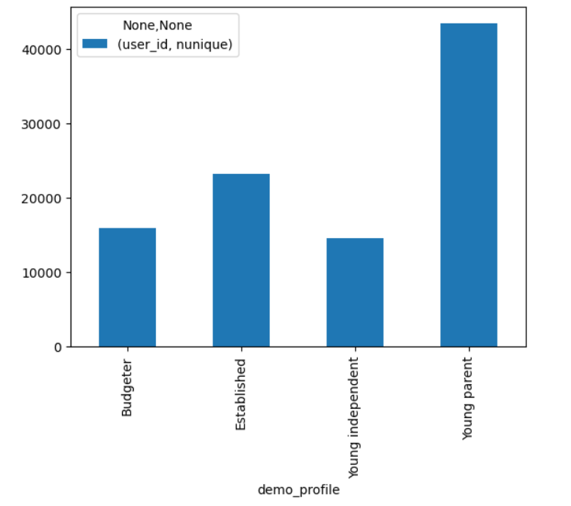
Q: The marketing and sales teams are particularly interested in the different types of customers in their system and how their ordering behaviors differ.
A: Here, about half of customers (unique user IDs) are divided into four profile groups based on demographic variables.
Members of the "Budgeter" group are age 45 and older, make less than $50,000 a year and spend less than $8 per product on average.
Members of the "Established" group are age 45 and older, make more than $75,000 a year and have no dependants.
Members of the "Young independent"group are age 35 and younger, are single, and have no dependants.
Members of the "Young parent" group, the largest profile, are age 35 and younger, married, and have at least one dependant.

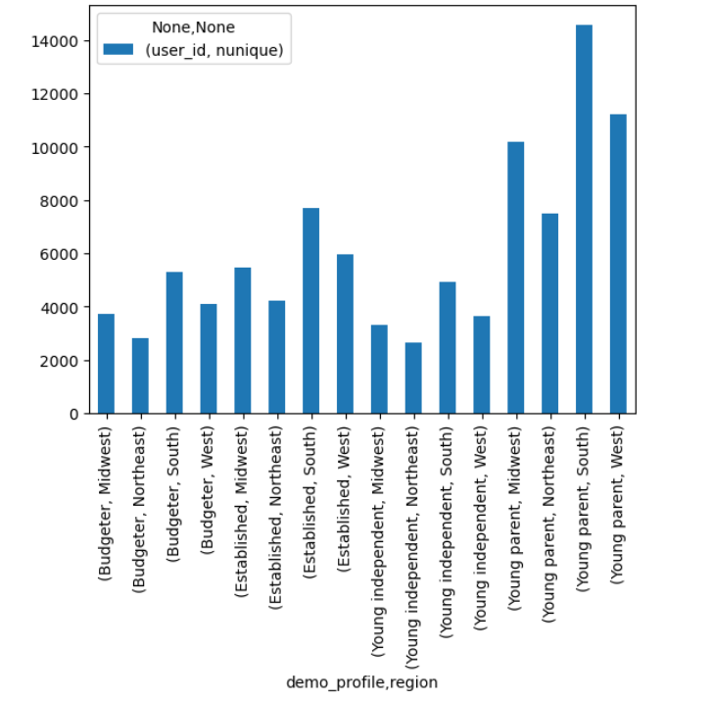
Q: The marketing and sales teams are particularly interested in the different types of customers in their system and how their ordering behaviors differ.
A: The distribution of customers per region is similar across demographic profiles, with the largest customer base in the South, followed by the West, Midwest and Northeast.

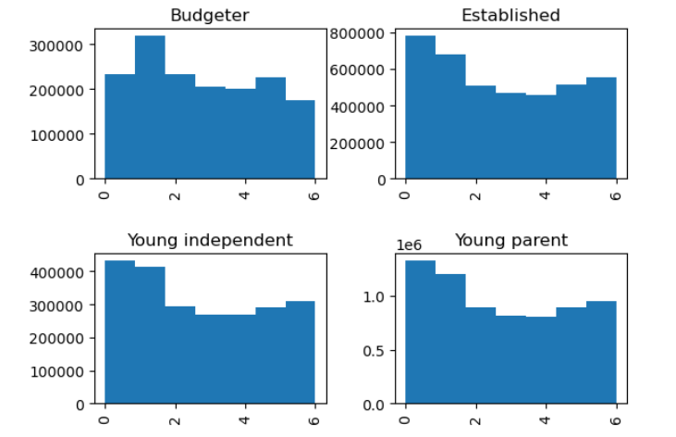
Q: The marketing and sales teams are particularly interested in the different types of customers in their system and how their ordering behaviors differ.
A: Daily shopping patterns (in terms of total items ordered) follow a similar pattern for three of the four groups, peaking on Saturday and Sunday before declining into midweek and then increasing again. The budgeter profile is an exception, with a pronounced peak on Sunday and sub-peaks on Thursday and Saturday.

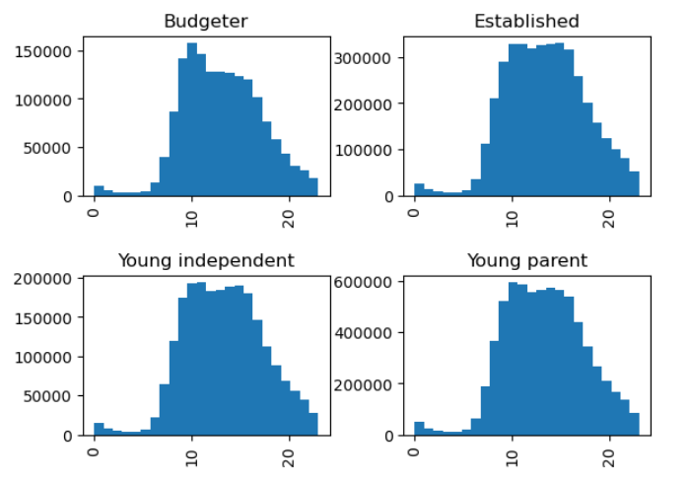
Q: The marketing and sales teams are particularly interested in the different types of customers in their system and how their ordering behaviors differ.
A: Hourly shopping patterns (in terms of total items ordered) follow a similar pattern for all four groups, peaking in the late morning, remaining relatively high into the late afternoon and declining into the evening, reaching a low at about 3 a.m., with some exceptions -- the budgeter profile peaks at 9 a.m. and sees a more pronounced drop-off in the afternoon, while the established profile experiences a largely uninterrupted peak from about 9 a.m. to 4 p.m.

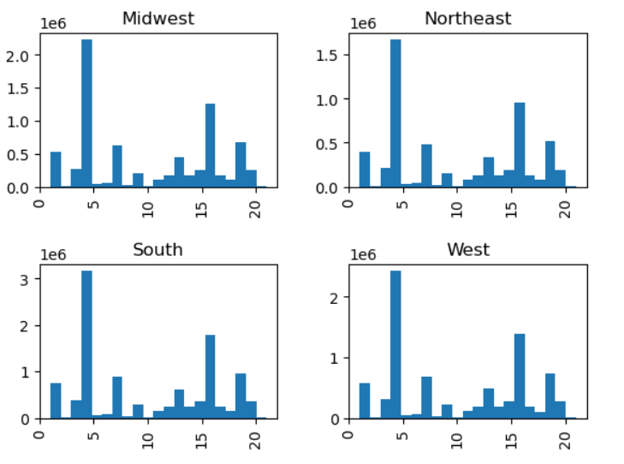
Q: The marketing and sales teams are particularly interested in the different types of customers in their system and how their ordering behaviors differ.
A: The four regions follow similar patterns in terms of items sold per department, with produce reigning No. 1, followed by dairy/eggs, snacks, beverages and frozen. The Midwest and Southern regions are slightly more interested in produce, while the Northeast is slightly more interested in snacks and beverages.

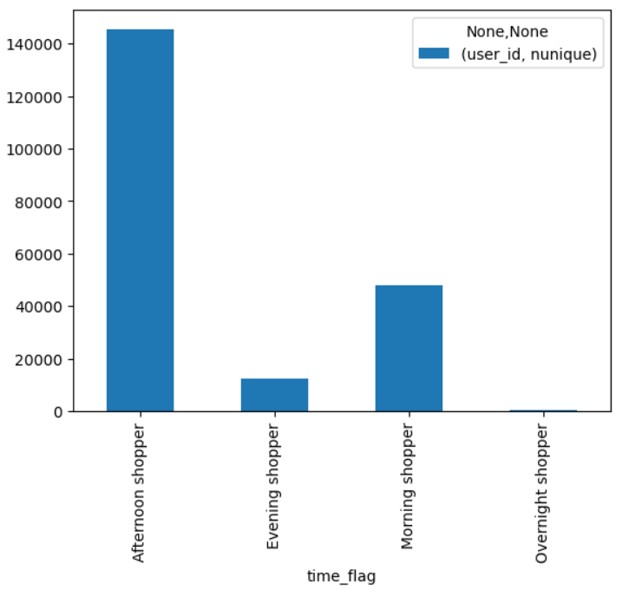
Q: The marketing and sales teams are particularly interested in the different types of customers in their system and how their ordering behaviors differ.
A: I created an additional set of profiles based on favored shopping time.
Afternoon shoppers tend to shop between noon and 5 p.m. They are the largest group by customer base.
Morning shoppers tend to shop between 6 a.m. and noon. They are the second-largest group.
Evening shoppers tend to shop between 5 p.m. and midnight. They are the second-smallest group.
Overnight shoppers tend to shop between midnight and 6 a.m. They are the smallest group.

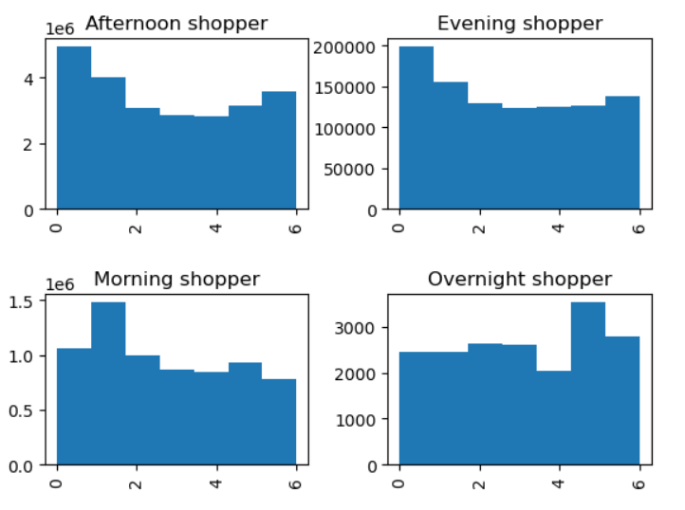
Q: The marketing and sales teams are particularly interested in the different types of customers in their system and how their ordering behaviors differ.
A: The time profiles display unique patterns in number of times purchased by day of week. Afternoon and evening shoppers follow the familiar pattern of a Saturday peak, Sunday sub-peak and increasing shopping toward the end of the work week, but the evening shopper's midweek decline is less pronounced. Morning shoppers have a major peak on Sunday instead of Saturday and favor shopping on Thursdays to Fridays. Overnight shoppers peak on Thursday with a sub-peak on Friday and no weekend increase.

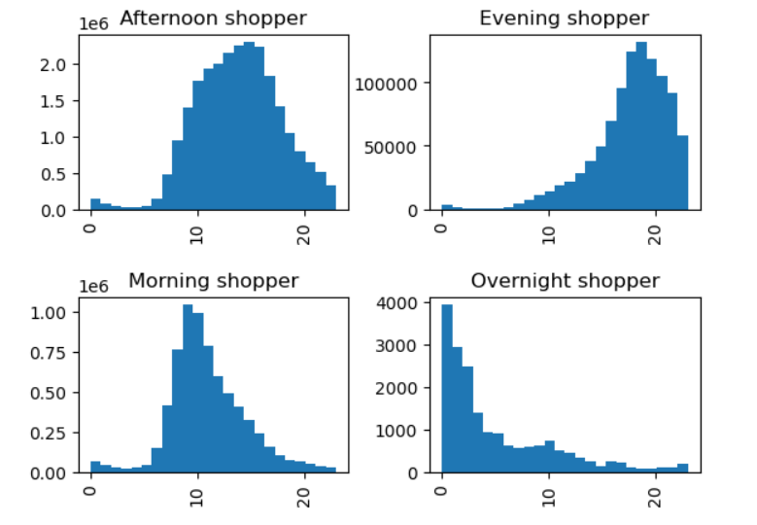
Q: The marketing and sales teams are particularly interested in the different types of customers in their system and how their ordering behaviors differ.
A: The time profiles naturally display different hourly shopping patterns, with each group purchasing the most items during the time of day associated with their profile. Overnight shoppers' top hours are midnight - 3 a.m., morning shoppers' top hours are 9 - 11 a.m., afternoon shoppers' top hours are noon - 3 p.m. and evening shoppers' top hours are 5 - 7 p.m.

7. Recommendations
 | Title page

Recommendations

In this tab you should include any recommendations you would made to Instcart in terms of their marketing strategy based on the questions posed in the brief. Every key question has been covered in the Tasks of the Exercises - here you need to add an item - a visualisation or table/crosstable that is showing the answer in the data, acompanied by a comment from you. Please, list the questions below and add the answer underneath.

This section begins with answers to ad-hoc questions from management, including relevant recommendations. It ends with a detailed breakdown of two sets of customer profiles and relevant recommendations.
Question
1. The sales team needs to know what the busiest days of the week and hours of the day are (i.e., the days and times with the most orders) in order to schedule ads at times when there are fewer orders.
Orders (measured as total items ordered) follow a U-shaped curve druing the week, peaking on Saturdays, with a sub-peak on Sundays, before descending into mid-week and increasing again toward the weekend.
Customers order the most items during the 9-10 a.m. hours, but orders remain relatively high through about 4 p.m. before dropping off in the evening.
Recommendations: Schedule ads for Monday-Thursday evenings, when orders are low but people remain active on their phones and the internet.

Customers tend to spend the most money in the late evening and early morning hours.
Recommendation: Advertise higher-price products on the site and app from 10 p.m. to 5 a.m.
2. They also want to know whether there are particular times of the day when people spend the most money, as this might inform the type of products they advertise at these times.
0
3. Instacart has a lot of products with different price tags. Marketing and sales want to use simpler price range groupings to help direct their efforts.
I created a price flag dividing products into low-range (<= $5), mid range ( > $5, < =$15) and high-range (> $15) categories. Abut two-thirds of producsts fall in the mid-range category, 31% are low-range, and the remaining < 2% are high-range.
Recommendations: Advertise more high-range products during the late evening to overnight hours described in question 2. See additional recommendations related to price range groupings in the profile descriptions below.
4. Are there certain types of products that are more popular than others? The marketing and sales teams want to know which departments have the highest frequency of product orders.
Produce is the clear winner among departments, making up almost 30% of products ordered. The second-most-ordered department is dairy/eggs, and snacks, beverages and frozen food compete for third place depending on the category of shoppers you're studying.
Departmental popularity also varies by day of week (see reference G).
Recommendations: Promote departments based on customer profiles detailed below and day of week. On Saturdays, promote deals for produce, canned goods, dry goods, and meat/seafood. On Sundays, promote produce and snacks. On Mondays through Thursdays, promote snacks and beverages. On Fridays, promote produce, frozen, pantry and canned goods.
Customers by Profile
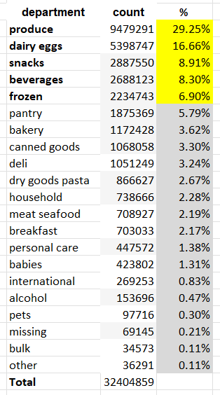
5. The marketing and sales teams are particularly interested in the different types of customers in their system and how their ordering behaviors differ.
To that end, I designed two sets of customer profiles that Instacart can use to tailor ads, promotions and loyalty programming offers for customers.
Demographic profiles
The first set of profiles is based on customer demographics such as age, income, family status, number of dependants and average item expenditure.
The profiles cover about 47% of the customer base, so they're not all-encompassing, but they capture a wide range of ages, income levels and family situations. If management is interested in pursuing this profile system, I can build additional profiles to cover the majority of the customer population.
The young parent profile includes people 35 and younger with 1 or more dependants.
The established profile includes people 45 and older with no dependants and income over $75,000.
The young independent profile includes people 35 and younger who are single with no dependants.
The budgeter profile includes people 45 and older with income less than $50,000 and an average product price of $8 or less.

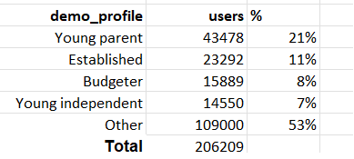

Items Purchased by Day

Budgeters:
-Spend less per item (avg $6.50), order less frequently than the other groups (every 11 days on average) and buy fewer items per order (avg 7 items).
-Prefer to shop on Sundays, followed by Thursdays and Saturdays.
-Prefer to shop in the late morning period, from 9 - 11 a.m., followed by the afternoon period from noon to 4 p.m.
-Have low loyalty and regular customer levels (6.4% and 32.3% respectively, the lowest of the groups).
-Buy more snacks and beverages than other customers (see reference B)
Recommendations: To encourage budgeters to order more frequently and order more items, inform them of in-store and Instacart-specific promotions on snacks, beverages and favored items (see reference A). Roll out Instacart-specific promotions on Thursday and test performance through Saturday. Re-up and promote the most successful discounts ahead of the Sunday shopping peak.
Established shoppers:
-Spend more per item (avg $7.96), order more frequently than the other groups (every 10.2 days on average) and buy more items per order (avg 8.5 items).
-Prefer to shop on Saturdays, followed by Sundays and Fridays.
-Prefer to shop from late morning to mid-afternoon, between 10 a.m. and 3 p.m.
-Have high loyalty and regular customer levels (8.8% and 38.7% respectively, the highest of the groups).
-Buy more produce, daiy/eggs and frozen food than other customers (see reference B)
Recommendations: Introduce a loyalty program for established shoppers to retain and expand upon this loyal customer base. The advantages of the loyalty program should be related primarily to produce, dairy/eggs and frozen food -- test special promotions and early access to new items. Also consider insider perks such as priority access to delivery slots or free delivery after a certain number of orders.
Young independent shoppers:
-Spend an average amount per item (avg $7.80), order slightly less frequently than the other groups (every 10.5 days on average) and buy more items per order (avg 8.36 items).
-Prefer to shop on Saturdays, followed by Sundays and Fridays. (Sundays are nearly as popular as Saturdays)
-Prefer to shop from 9 a.m. to 11 a.m.(peak- 11 a.m.), followed by 1 to 3 p.m.
-Have fewer loyal and average regular customers (8% and 37.2% respectively).
-Have similar preferred departments to the general customer base (top- produce, dairy/eggs, snacks -- see reference B)
-More likely to live in the South and Northeast than other profiles (see reference C)
Recommendations: Seek to increase order frequency and loyalty by promoting deals on produce, dairy/eggs, snacks and other favored items (see Reference A). Test discounts on Thursdays and Fridays, then re-up and promote the top-performing discounts ahead of the Saturday morning shopping peak. Make the deals available on Sundays as well.
Young parent shoppers:
-Spend an average amount per item (avg $7.79), order slightly more frequently than the other groups (every 10.4 days on average) and buy more items per order (avg 8.43 items).
-Prefer to shop on Saturdays, followed by Sundays and Fridays.
-Prefer to shop from 9 a.m. to 11 a.m. (peak- 10 a.m.), followed by 1 to 3 p.m.
-Have an average portion of loyal and regular customers (8.2% and 37.2% respectively).
-Show a higher preference for dairy/eggs and snacks (see reference B)
-More likely to live in the West and Midwest regions than other profiles (see reference C)
Note: The young independent and young parent profiles are similar. Distinctions are underlined.
Recommendations: Introduce a loyalty program for young parents shoppers to expand upon this customer base that shows a tendency toward loyalty. The advantages of the loyalty program should be related primarily to produce, dairy/eggs and snacks-- test special deals by rolling them out on Thursdays and retaining the top performing deals for the weekend. Also consider insider perks such as priority access to delivery slots or free delivery after a certain number of orders.
TIME-OF-DAY PROFILES CONTINUE BELOW

Items Purchased by Hour

Time-of-day profiles
I classified shoppers into four profiles based on their average order hour.
Morning shoppers have an average order hour between 6 a.m. and noon.
Afternoon shoppers have an average order hour between noon and 5 p.m.
Evening shoppers have an average order hour between 5 p.m. and midnight.
Overnight shoppers have an average order hour between midnight and 6 a.m.
Profile details and recommendations
(see profile stats in reference D)
Morning shoppers:
-Second largest group
-Purchase an average number of items per order
-Have a longer ordering history
-Have higher levels of loyal/regular customers
-Favor dairy/eggs, snacks and beverages (see reference E)
-Prefer to shop on Sundays, followed by Saturdays
-Peak hours are 9-11 a.m.
Recommendations: To build on this profile's tendency toward loyalty, invite them to participate in a loyalty program where they gain access to occasional free delivery and/or priority access to delivery slots. The loyalty program could also include special deals on items in favored departments- dairy/eggs, snacks and beverages. Top items from these categories (see reference F) should also be promoted on the users' home pages. Deals and promotions should be prepared in advance of the Saturday morning rush and continue to be available on Sunday.
Afternoon shoppers
-Largest group
-Purchase most items per order
-Have longest ordering history
-Have highest levels of loyal/regular customers
-Favor produce, dairy/eggs (see reference E)
-Prefer to shop on Saturdays, followed by Sundays and Fridays
-Peak hours are noon to 3 p.m.
Recommendations: To build on this profile's tendency toward loyalty, invite them to participate in a loyalty program where they gain access to occasional free delivery and/or priority access to delivery slots. The loyalty program could also include special deals on items in favored departments- produce and dairy/eggs. Top items from these categories (see reference F) should also be promoted on the users' home pages. Deals and promotions should be prepared in advance of the Friday afternoon rush and remain available through the weekend.
Evening shoppers
-Second-smallest group
-Purchase more items per order
-Have a shorter ordering history
-Have low levels of loyal/regular customers
-Favor frozen food (see reference E)
-Prefer to shop on Saturdays, followed by Sundays and Fridays
-Peak hours are 5-7 p.m.
Recommendations: To encourage evening shoppers to come back to Instacart, offer them special promotions on frozen food, specifically the items listed in reference F. Ensure the promotions are available in time for the 5-7 p.m. rush on Fridays and remain available through the weekend. Also consider offering a free delivery promotion for customers who've already ordered a few times and could be enticed to return to the service.
Overnight shoppers
-Smallest group
-Purchase fewest items per order
-Have shortest ordering history
-Have lowest levels of loyal/regular customers
-Favor frozen food (see reference E)
-Prefer to shop on Thursdays (early morning hours), followed by Fridays
-Peak hours are midnight to 3 a.m.
Recommendations: Promote frozen food on the site during the overnight hours, particularly from midnight to 3 a.m. Give special consideration to the items listed in reference F.

Customers by Time-of-Day Profile

Orders by Day of Week and Profile

Orders by Profile and Hour of Day

Ref A
young parents | young indep | budgeter | established
'Banana', | 'Banana', | 'Bag of Organic Bananas', | 'Banana',
'Bag of Organic Bananas', | 'Bag of Organic Bananas', | 'Banana', | 'Bag of Organic Bananas',
Note: If an item is highlighted, the profile group shows a stronger preference for it than do the other profiles.
'Organic Strawberries', | 'Organic Strawberries', | 'Strawberries', | 'Organic Strawberries',
'Organic Baby Spinach', | 'Organic Baby Spinach', | 'Organic Strawberries', | 'Organic Baby Spinach',
'Organic Hass Avocado', | 'Organic Hass Avocado', | 'Organic Hass Avocado', | 'Organic Hass Avocado',
'Organic Avocado', | 'Organic Avocado', | 'Organic Baby Spinach', | 'Organic Avocado',
'Large Lemon', | 'Large Lemon', | 'Organic Half & Half', | 'Large Lemon',
'Limes', | 'Strawberries', | 'Raspberries', | 'Limes',
'Strawberries', | 'Organic Whole Milk', | 'Clementines', | 'Organic Whole Milk',
'Organic Raspberries', | 'Limes', | 'Spring Water', | 'Organic Raspberries',
'Organic Whole Milk', | 'Organic Raspberries', | 'Organic Raspberries', | 'Strawberries',
'Organic Yellow Onion', | 'Organic Yellow Onion', | 'Organic Fuji Apple', | 'Organic Garlic',
'Organic Garlic', | 'Organic Garlic', | 'Soda', | 'Organic Yellow Onion',
'Organic Zucchini', | 'Organic Zucchini', | 'Seedless Red Grapes', | 'Organic Zucchini',
'Organic Blueberries', | 'Cucumber Kirby', | 'Organic Blueberries', | 'Cucumber Kirby',
'Cucumber Kirby', | 'Organic Blueberries', | 'Organic Avocado', | 'Organic Blueberries',
'Organic Fuji Apple', | 'Organic Lemon', | 'Sparkling Water Grapefruit', | 'Apple Honeycrisp Organic',
'Organic Lemon', | 'Organic Fuji Apple', | 'Hass Avocados', | 'Organic Grape Tomatoes',
'Apple Honeycrisp Organic', | 'Seedless Red Grapes', | 'Organic Unsweetened Almond Milk', | 'Organic Cucumber',
'Seedless Red Grapes', | 'Apple Honeycrisp Organic', | 'Trail Mix', | 'Organic Lemon',
'Organic Grape Tomatoes', | 'Organic Grape Tomatoes', | 'Honeycrisp Apple', | 'Organic Fuji Apple',
'Organic Cucumber', | 'Organic Half & Half', | 'Sparkling Natural Mineral Water', | 'Honeycrisp Apple',
'Honeycrisp Apple', | 'Sparkling Water Grapefruit', | 'Organic Lemon', | 'Organic Baby Carrots',
'Organic Baby Carrots', | 'Organic Cucumber', | 'Organic Baby Carrots', | 'Carrots',
'Organic Large Extra Fancy Fuji Apple', | 'Honeycrisp Apple', | 'Organic Yellow Onion', | 'Seedless Red Grapes',
'Organic Half & Half', | 'Organic Baby Carrots', | 'Organic Granny Smith Apple', | 'Yellow Onions',
'Yellow Onions', | 'Fresh Cauliflower', | 'Original Hummus', | 'Organic Baby Arugula',
'Sparkling Water Grapefruit', | 'Organic Large Extra Fancy Fuji Apple', | 'Extra Fancy Unsalted Mixed Nuts', | 'Organic Gala Apples',
'Half & Half', | 'Organic Baby Arugula', | 'Sparkling Water', | 'Organic Large Extra Fancy Fuji Apple',
'Organic Baby Arugula', | 'Carrots', | 'Apples', | 'Sparkling Water Grapefruit',
'Carrots', | 'Organic Gala Apples', | 'Blueberries', | 'Organic Cilantro',
'Organic Gala Apples', | 'Organic Cilantro', | 'Large Lemon', | 'Asparagus',
'Original Hummus', | 'Yellow Onions', | 'Unsweetened Almondmilk', | 'Original Hummus',
'Organic Cilantro', | 'Asparagus', | 'Organic Garlic', | 'Fresh Cauliflower',
'Fresh Cauliflower', | 'Original Hummus', | 'Sparkling Mineral Water', | 'Half & Half',
'Organic Small Bunch Celery', | 'Half & Half', | 'Organic Gala Apples', | 'Michigan Organic Kale',
'Organic Red Onion', | 'Michigan Organic Kale', | 'Half & Half', | 'Organic Small Bunch Celery',
'Michigan Organic Kale', | 'Organic Red Onion', | 'Blackberries', | 'Organic Red Onion',
'Asparagus', | 'Organic Small Bunch Celery', | 'Organic Peeled Whole Baby Carrots', | 'Organic Tomato Cluster',
'Organic Tomato Cluster', | '100% Whole Wheat Bread', | "Crunchy Oats 'n Honey Granola Bars", | '100% Whole Wheat Bread',
'Organic Blackberries', | 'Organic Whole String Cheese', | 'Clementines, Bag', | 'Organic Blackberries',
'Organic Italian Parsley Bunch', | 'Organic Tomato Cluster', | 'Organic Zucchini', | 'Organic Half & Half',
'Organic Red Bell Pepper', | 'Organic Italian Parsley Bunch', | '100% Whole Wheat Bread', | 'Organic Italian Parsley Bunch',
'Organic Whole String Cheese', | 'Organic Blackberries', | '0% Greek Strained Yogurt', | 'Organic Whole String Cheese',
'Organic Unsweetened Almond Milk', | 'Organic Unsweetened Almond Milk', | 'Organic Tortilla Chips', | 'Organic Red Bell Pepper',
'100% Whole Wheat Bread', | 'Red Vine Tomato', | 'Organic Blackberries', | 'Organic Ginger Root',
'Green Bell Pepper', | 'Red Peppers', | 'Organic Grape Tomatoes', | 'Blueberries',
'Organic Granny Smith Apple', | 'Organic Granny Smith Apple', | 'Apple Honeycrisp Organic', | 'Red Vine Tomato',
'Raspberries', | 'Raspberries', | 'Organic Baby Arugula', | 'Green Bell Pepper',
'Spring Water', | 'Organic Peeled Whole Baby Carrots', | 'Organic Whole Milk', | 'Organic Peeled Whole Baby Carrots',
'Red Peppers', | 'Green Bell Pepper', | 'Organic Reduced Fat 2% Milk', | 'Red Peppers',
'Blueberries', | 'Blueberries', | 'Organic Simply Naked Pita Chips', | 'Organic Granny Smith Apple',
'Organic Peeled Whole Baby Carrots', | 'Extra Virgin Olive Oil', | 'Limes', | 'Extra Virgin Olive Oil',
'Red Vine Tomato', | 'Spring Water', | 'Granny Smith Apples', | 'Organic Garnet Sweet Potato (Yam)',
'Organic Kiwi', | 'Organic Red Bell Pepper', | 'Organic Kiwi', | 'Boneless Skinless Chicken Breasts',
'Organic Garnet Sweet Potato (Yam)', | 'Small Hass Avocado', | 'Creamy Almond Butter', | 'Organic Unsweetened Almond Milk',
'Organic Ginger Root', | 'Organic Ginger Root', | 'Organic Large Extra Fancy Fuji Apple', | 'Small Hass Avocado',
'Unsweetened Almondmilk', | 'Organic Garnet Sweet Potato (Yam)', | 'Bartlett Pears', | 'Bunched Cilantro',
'Organic Reduced Fat 2% Milk', | 'Unsweetened Almondmilk', | 'Mixed Fruit Fruit Snacks', | "Organic D'Anjou Pears",
'Boneless Skinless Chicken Breasts', | 'Hass Avocados', | 'Roasted Pine Nut Hummus', | 'Organic Kiwi',
"Organic D'Anjou Pears", | 'Organic Kiwi', | 'Chocolate Chip Cookies', | 'Grated Parmesan',
'Extra Virgin Olive Oil', | 'Lime Sparkling Water', | 'Mozzarella String Cheese', | 'Uncured Genoa Salami',
'Hass Avocados', | 'Boneless Skinless Chicken Breasts', | 'Fridge Pack Cola', | 'Unsweetened Almondmilk',
'Small Hass Avocado', | "Organic D'Anjou Pears", | 'Organic Spring Mix', | 'Red Onion',
'Grated Parmesan', | 'Organic Reduced Fat 2% Milk', | 'Yellow Onions', | 'Lime Sparkling Water',
'Lime Sparkling Water', | 'Sparkling Natural Mineral Water', | 'Lime Sparkling Water', | 'Jalapeno Peppers',
'Broccoli Crown', | 'Bunched Cilantro', | 'Red Peppers', | 'Organic Lacinato (Dinosaur) Kale',
'Bunched Cilantro', | 'Organic Lacinato (Dinosaur) Kale', | 'Baby Cucumbers', | 'Organic Reduced Fat 2% Milk',
'Red Onion', | 'Red Onion', | 'Fat Free Milk', | 'Broccoli Crown',
'Organic Navel Orange', | 'Grated Parmesan', | 'Organic Whole String Cheese', | 'Organic Grade A Free Range Large Brown Eggs',
'Organic Lacinato (Dinosaur) Kale', | 'Organic Navel Orange', | 'Popcorn', | 'Organic Navel Orange',
'Jalapeno Peppers', | 'Jalapeno Peppers', | '100% Raw Coconut Water', | 'Raspberries',
'Uncured Genoa Salami', | 'Uncured Genoa Salami', | 'Organic Low Fat Milk', | 'Hass Avocados',
'Sparkling Natural Mineral Water', | 'Roma Tomato', | 'Seedless Cucumbers', | 'Organic Broccoli',
'Roma Tomato', | 'Large Alfresco Eggs', | 'Cucumber Kirby', | 'Orange Bell Pepper',
'Large Alfresco Eggs', | 'Grape White/Green Seedless', | 'Sweet Kale Salad Mix', | 'Roma Tomato',
'Organic Black Beans', | 'Organic Grade A Free Range Large Brown Eggs', | 'Natural Spring Water', | 'Spring Water',
'Clementines, Bag', | 'Organic Broccoli', | "Organic D'Anjou Pears", | 'Garlic',
'Organic Grade A Free Range Large Brown Eggs', | '100% Raw Coconut Water', | 'Original Beef Jerky', | 'Organic Bartlett Pear',
'2% Reduced Fat Milk', | 'Clementines, Bag', | 'Extra Virgin Olive Oil', | 'Grape White/Green Seedless',
'Orange Bell Pepper', | 'Organic Black Beans', | '100% Recycled Paper Towels', | 'Unsalted Butter',
'Grape White/Green Seedless', | 'Orange Bell Pepper', | 'Organic Fat Free Milk', | 'Organic Carrot Bunch',
'Shredded Parmesan', | 'Organic Romaine Lettuce', | 'Large Alfresco Eggs', | 'Shredded Parmesan',
'Organic Broccoli', | 'Shredded Parmesan', | 'Cherrios Honey Nut', | 'Clementines, Bag',
'Organic Bartlett Pear', | 'Organic Bartlett Pear', | 'Organic Small Bunch Celery', | 'Unsweetened Original Almond Breeze Almond Milk',
'Garlic', | 'Organic Sticks Low Moisture Part Skim Mozzarella String Cheese', | 'Vanilla Almond Breeze Almond Milk', | 'Sparkling Natural Mineral Water',
'Organic Carrot Bunch', | 'Organic Large Brown Grade AA Cage Free Eggs', | 'Romaine Hearts', | 'Large Alfresco Eggs',
'Unsalted Butter', | '2% Reduced Fat Milk', | 'Pure Sparkling Water', | 'Whole Milk',
'100% Raw Coconut Water', | 'Bartlett Pears', | 'Organic Cilantro', | 'Organic Reduced Fat Milk',
'Granny Smith Apples', | 'Broccoli Crown', | 'Fresh Cauliflower', | '2% Reduced Fat Milk',
'Unsweetened Original Almond Breeze Almond Milk', | 'Garlic', | 'Organic Cucumber', | '100% Raw Coconut Water',
'Soda', | 'Organic Reduced Fat Milk', | 'Whole Grain Cheddar Baked Snack Crackers', | 'Organic Russet Potato',
'Bartlett Pears', | 'Organic Carrot Bunch', | 'Carrots', | 'Organic Black Beans',
'Organic Reduced Fat Milk', | 'Granny Smith Apples', | 'Organic Red Bell Pepper', | 'Feta Cheese Crumbles',
'Organic Sticks Low Moisture Part Skim Mozzarella String Cheese', | 'Sparkling Lemon Water', | 'Grape White/Green Seedless', | 'Organic Romaine Lettuce',
'Whole Milk', | 'Unsalted Butter', | 'Coconut Water', | 'Granny Smith Apples',
'Organic Romaine Lettuce', | 'Organic Baby Broccoli', | 'Pineapple Chunks', | 'Pure Irish Butter',
'Fat Free Milk', | 'Soda', | 'Total 0% Nonfat Greek Yogurt', | 'Organic Whole Strawberries',
'Organic Broccoli Florets', | 'Feta Cheese Crumbles', | 'Natural Artesian Water', | 'Organic Sticks Low Moisture Part Skim Mozzarella String Cheese',
'Sparkling Lemon Water' | 'Total 2% with Strawberry Lowfat Greek Strained Yogurt' | 'Lightly Salted Baked Snap Pea Crisps' | 'Organic Broccoli Florets'

